Calculation MW-mile
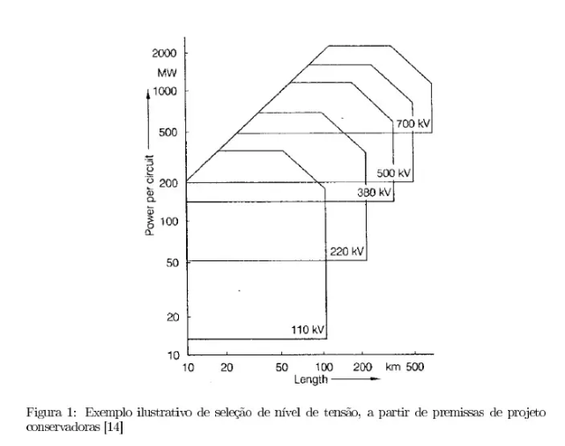
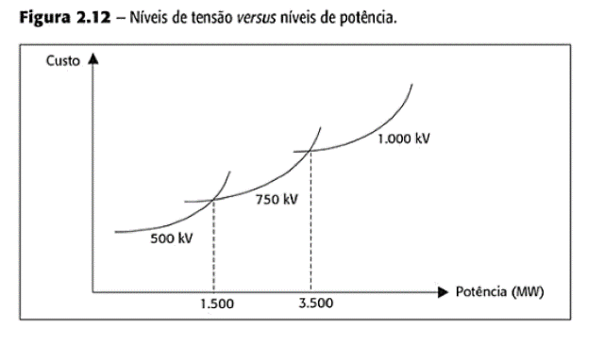
BTC BAU Transmission Capacity Calculation

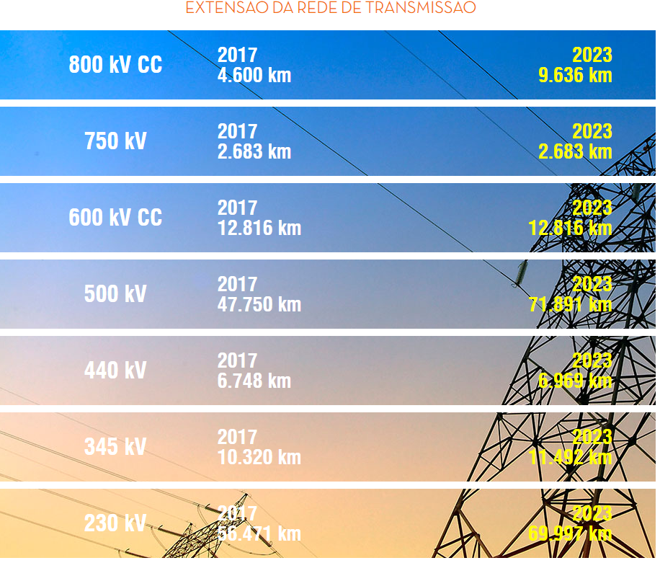
 |  |  |  |  |  |  |  |  | BTC
 | kV | MW | km-2017 | km-2023 | miles-2017 | miles-2023 | MW*miles-2017 | MW*miles-2023 | 2015 | 2016 | 2017 | 2018 | 2019 | 2020 | 2021 | 2022 | 2023 | 2024 | 2025 | 2026 | 2027 | 2028 | 2029 | 2030 | 2031 | 2032 | 2033 | 2034 | 2035 | 2036 | 2037 | 2038 | 2039 | 2040 | 2041 | 2042 | 2043 | 2044 | 2045 | 2046 | 2047 | 2048 | 2049 | 2050
 | 800 | 4,000 | 4,600 | 9,636 | 2,857 | 5,984 | 11,426,400 | 23,935,824 | 8.10E+07 | 8.65E+07 | 9.19E+07 | 9.73E+07 | 1.03E+08 | 1.08E+08 | 1.14E+08 | 1.19E+08 | 1.25E+08 | 1.30E+08 | 1.35E+08 | 1.41E+08 | 1.46E+08 | 1.52E+08 | 1.57E+08 | 1.63E+08 | 1.63E+08 | 1.63E+08 | 1.63E+08 | 1.63E+08 | 1.63E+08 | 1.63E+08 | 1.63E+08 | 1.63E+08 | 1.63E+08 | 1.63E+08 | 1.63E+08 | 1.63E+08 | 1.63E+08 | 1.63E+08 | 1.63E+08 | 1.63E+08 | 1.63E+08 | 1.63E+08 | 1.63E+08 | 1.63E+08
 | 750 | 3,500 | 2,683 | 2,683 | 1,666 | 1,666 | 5,831,501 | 5,831,501
 | 600 | 3,150 | 12,816 | 12,816 | 7,959 | 7,959 | 25,070,018 | 25,070,018 |  |  |  |  |  |  |  |  |  |  |  | 5.44E+07
 | 500 | 1,200 | 47,750 | 71,891 | 29,653 | 44,644 | 35,583,300 | 53,573,173
 | 440 | 900 | 6,748 | 6,969 | 4,191 | 4,328 | 3,771,457 | 3,894,974
 | 345 | 500 | 10,320 | 11,492 | 6,409 | 7,137 | 3,204,360 | 3,568,266
 | 230 | 200 | 56,471 | 69,997 | 35,068 | 43,468 | 7,013,698 | 8,693,627
 | (simplification) |  |  |  |  |  | 9.19E+07 | 1.25E+08

